FAI

Customer |  | PO # |  | Date Prepared | 3/11/2026 | First Article Report
Part Name | M8x1.25 hex socket head screw | Samples | 5 | Prepared by: | Meng
Part Number | 4762480840 | Inch or mm | mm | Revision
FAI | Type (Diameter Length Position etc.) | Nominal | + Tolerance | - Tolerance | High Limit | Low Limit | Method | Mfg. Sample 1 | Mfg. Sample 2 | Mfg. Sample 3 | Mfg. Sample 4 | Mfg. Sample 5
1 | Diameter | 13.000 | 0.270 | 0.270 | 13.270 | 12.730 | Caliper | 12.8800 | 12.8900 | 12.9000 | 12.8700 | 12.8700
2 | Diameter | 6.080 | 0.060 | 0.060 | 6.140 | 6.020 | Caliper | 6.1000 | 6.1200 | 6.1300 | 6.1300 | 6.1200
3 | Length | 7.820 | 0.180 | 0.180 | 8.000 | 7.640 | Caliper | 7.9700 | 7.8000 | 7.8700 | 7.9300 | 8.0000
4 | Length | 40.000 | 0.500 | 0.500 | 40.500 | 39.500 | Caliper | 40.0200 | 39.8700 | 40.0800 | 39.8600 | 39.9100
5 | Diameter | 7.890 | 0.110 | 0.110 | 8.000 | 7.780 | Caliper | 7.2200 | 7.3700 | 7.3300 | 7.3300 | 7.3200
6 | Length | 4.000 |  | 0.000 | 4.000 | 4.000 | Caliper | 4.4300 | 4.1600 | 4.3700 | 4.3300 | 4.5000
7a | Diameter | 7.820 | 0.180 | 0.180 | 8.000 | 7.640 | Caliper | 7.8300 | 7.8500 | 7.8500 | 7.8500 | 7.8500
7b | Thread pitch |  |  |  | 0.000 | 0.000 | Pitch gauge | OK | OK | OK | OK | OK

Print Page 1
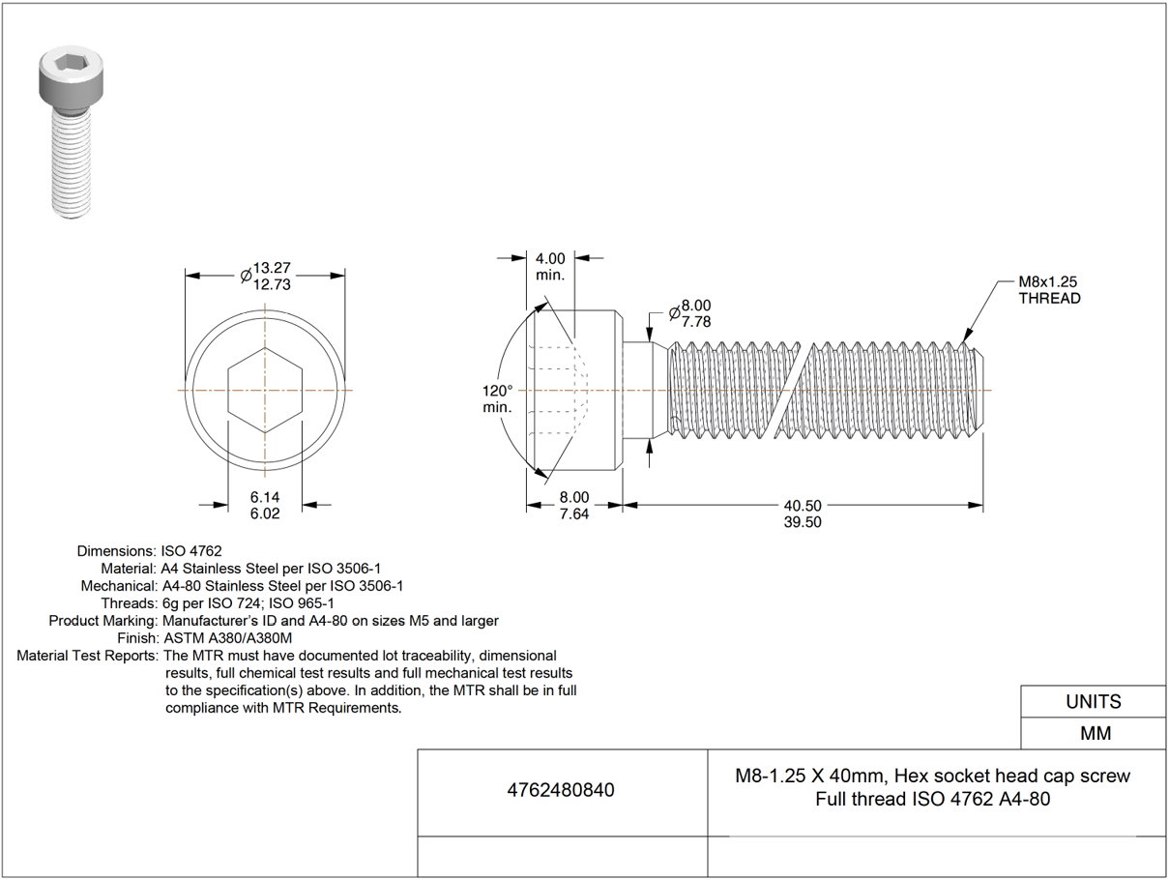

1
6
7a
7b
5

2
3
4

